Sheet1
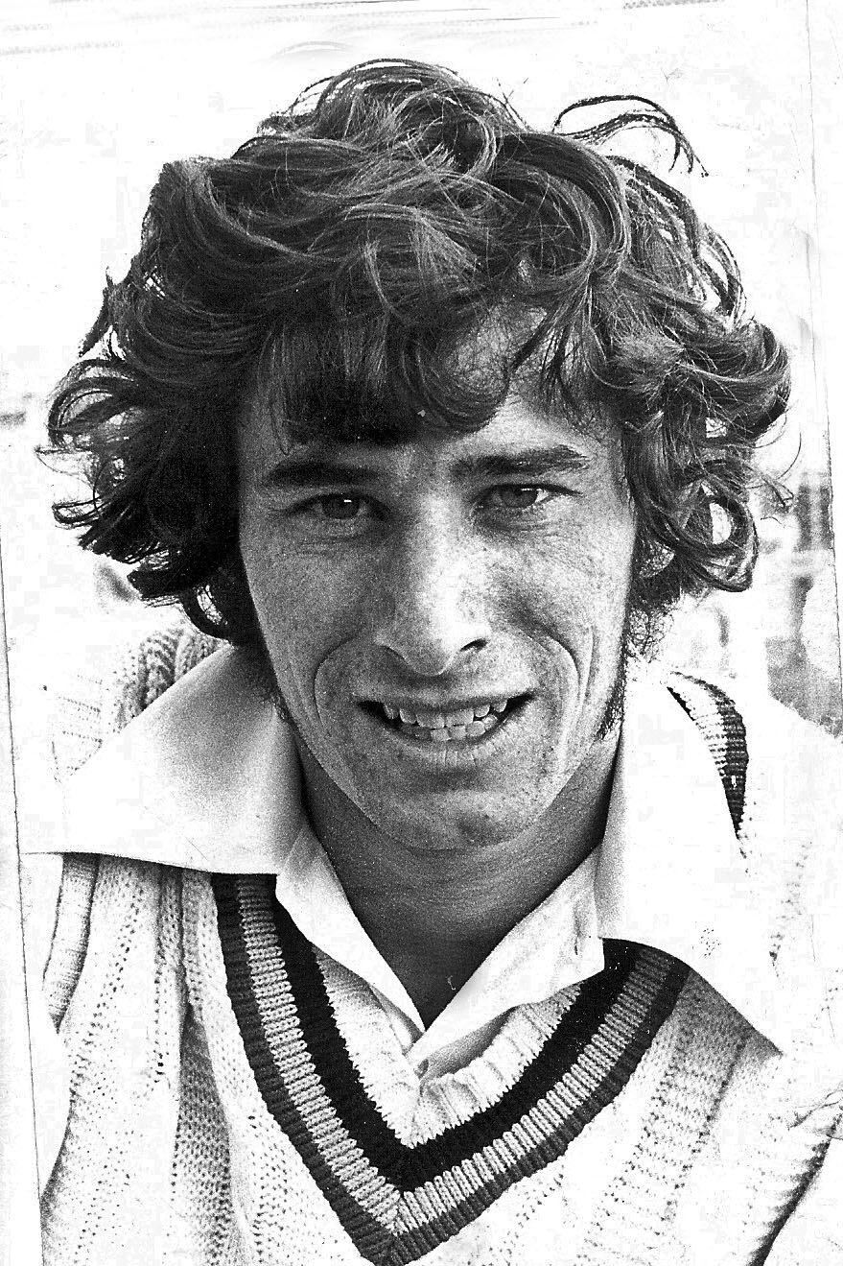
412 | Richard John Hadlee

LHB | RHF
School | Christchurch BHS
Club | Lancaster Park/HSOB
Born: | 1951-07-03 | Christchurch
Match | Date | Opposition | Venue | Batting | How Out
1971/72 Season
346 | 1972-01-03 | Auckland | Lancaster Park | 11 | ct
 |  |  |  | 5 | no
347 | 1972-01-07 | Northern Districts | Lancaster Park | 0 | ct

348 | 1972-01-14 | Central Districts | Trafalgar Park | dnb

1972/73 Season
349 | 1972-12-23 | Otago | Lancaster Park | 0 | no

350 | 1972-12-28 | Auckland | Eden Park | 5 | b
 |  |  |  | 15 | ro
351 | 1973-01-01 | Northern Districts | Cobham Oval | 0 | ct

352 | 1973-01-05 | Wellington | Lancaster Park | 50 | b
 |  |  |  | 9 | b
353 | 1973-01-09 | Central Districts | Lancaster Park | 1 | ct

1973/74 Season
360 | 1974-02-18 | Australia | Lancaster Park | 25 | st
 |  |  |  | 9 | no
1974/75 Season
361 | 1974-12-26 | Otago | Lancaster Park | 33 | kct
 |  |  |  | 14 | no
1975/76 Season
367 | 1975-12-26 | Auckland | Lancaster Park | 11 | kct
 |  |  |  | 16 | no
368 | 1975-12-30 | Central Districts | Trafalgar Park | 9 | kct

369 | 1976-01-03 | Northern Districts | Lancaster Park | 48 | no
 |  |  |  | 14 | ct
370 | 1976-01-09 | Wellington | Basin Reserve | 0 | kct

371 | 1976-01-31 | Northern Districts | Harry Barker Reserve
 |  |  |  | 4 | b
372 | 1976-02-27 | Wellington | Lancaster Park | 0 | b
 |  |  |  | 0 | kct
373 | 1976-03-12 | Otago | Lancaster Park | 53 | no

1976/77 Season
374 | 1976-12-17 | Otago | Lancaster Park | 20 | ct
375 | 1976-12-26 | Northern Districts | Cobham Oval | 32 | kct

376 | 1976-12-30 | Auckland | Eden Park | 29 | no
 |  |  |  | 6 | ct
377 | 1977-01-03 | Central Districts | Lancaster Park | 53 | ct

378 | 1977-01-07 | Wellington | Lancaster Park | 44 | b
 |  |  |  | 1 | b
1977/78 Season
381 | 1977-12-26 | Auckland | Lancaster Park | 3 | b
 |  |  |  | 42 | ct
382 | 1977-12-30 | Central Districts | McLean Park | 16 | no
 |  |  |  | 1 | ct
383 | 1978-01-03 | Northern Districts | Lancaster Park | 77 | ct
 |  |  |  | 24 | b
384 | 1978-01-07 | Wellington | Basin Reserve | 0 | ct
 |  |  |  | 3 | no
386 | 1978-02-05 | England | Lancaster Park | 4 | ct
 |  |  |  | 56 | ct
387 | 1978-02-17 | Wellington | Lower Hutt | 19 | ct
 |  |  |  | 0 | no
388 | 1978-03-17 | Auckland | Lancaster Park | 13 | ct
 |  |  |  | 8 | ct
1978/79 Season
389 | 1978-12-15 | Central Districts | Lancaster Park
 |  |  |  | 10 | no
390 | 1978-12-26 | Otago | Lancaster Park | 18 | ct
 |  |  |  | 0 | b
391 | 1978-12-30 | Wellington | Lancaster Park | 15 | ct
 |  |  |  | 79 | no
392 | 1979-01-03 | Northern Districts | Tauranga | 53 | no
 |  |  |  | 0 | kct
393 | 1979-01-07 | Auckland | Eden Park
 |  |  |  | 1 | ro
394 | 1979-01-16 | Auckland | Lancaster Park | 32 | ct

395 | 1979-02-10 | Central Districts | Trafalgar Park | 3 | kct
 |  |  |  | 3 | ct
1981/82 Season
411 | 1981-12-27 | Wellington | Basin Reserve | 61 | no
 |  |  |  | 35 | ct
412 | 1982-01-01 | Northern Districts | Lancaster Park | 4 | ct
 |  |  |  | 68 | ct
413 | 1982-01-06 | Auckland | Lancaster Park | 32 | kct
 |  |  |  | 24 | b
414 | 1982-01-11 | Central Districts | Fitzherbert Park | 83 | no

415 | 1982-01-17 | Otago | Carisbrook | 22 | ct
 |  |  |  | 0 | ct
416 | 1982-01-23 | Auckland | Eden Park | 0 | ct
 |  |  |  | 31 | ct
417 | 1982-01-29 | Wellington | Lancaster Park | 41 | ct
 |  |  |  | 7 | ct
1982/83 Season
418 c | 1982-12-27 | Central Districts | Lancaster Park | 21 | ct
 |  |  |  | 26 | ct
419 c | 1982-01-01 | Auckland | Eden Park 2 | 46 | b
 |  |  |  | 19 | ct
1983/84 Season
427 | 1983-12-27 | Auckland | Lancaster Park | 93 | ct

428 | 1983-12-31 | Northern Districts | Lancaster Park | 0 | lbw
 |  |  |  | 35 | no
431 | 1984-01-26 | Central Districts | Pukekura Park | 33 | kct
 |  |  |  | 0 | ct
1984/85 Season
435 | 1984-12-13 | Wellington | Dudley Park | 13 | lbw
 |  |  |  | 5 | ct
436 | 1984-12-27 | Auckland | Eden Park 2 | 19 | ct
 |  |  |  | 1 | b
437 | 1985-01-01 | Northern Districts | Rotorua | 14 | no
438 | 1985-01-08 | Pakistan | Lancaster Park | 30 | no
 |  |  |  | 0 | ct
443 | 1985-03-01 | Northern Districts | Lancaster Park | 8 | ct

1986/87 Season
452 | 1987-01-06 | Wellington | Lancaster Park | 7 | b
 |  |  |  | 33 | b
453 | 1987-01-10 | Auckland | Eden Park | 0 | lbw
 |  |  |  | 7 | ct
454 | 1987-01-14 | Northern Districts | Harry Barker Reserve | dnb

455 | 1987-01-18 | Otago | Alexandra | 11 | kct
 |  |  |  | 9 | b
456 | 1987-01-24 | Central Districts | Lancaster Park | 0 | kct

457 | 1987-01-28 | Northern Districts | Lancaster Park | 18 | ct
 |  |  |  | 6 | kct
458 | 1987-02-01 | Auckland | Dudley Park | 50 | no
 |  |  |  | 0 | no
459 | 1987-02-05 | Central Districts | Pukekura Park | 18 | kct
 |  |  |  | 48 | no
1988/89 Season
473 | 1989-01-29 | Pakistan | Lancaster Park
 |  |  |  | 37 | b

